Output
Scenario Number | Investment Multiple | IRR
1 | 1.5349982459 | 0.04707184732 | Simulation Summary | Mean | Median
2 | 1.4267346061 | 0.03849324882 | Investment Multiple | 1.7327595185 | 1.6887007671
3 | 1.6911744915 | 0.057271829247 | Internal Rate of Return | 5.65% | 5.75%
4 | 1.5205253449 | 0.045593014359 | Shortfall Risk | 3.80%
5 | 2.760129936 | 0.11389693618
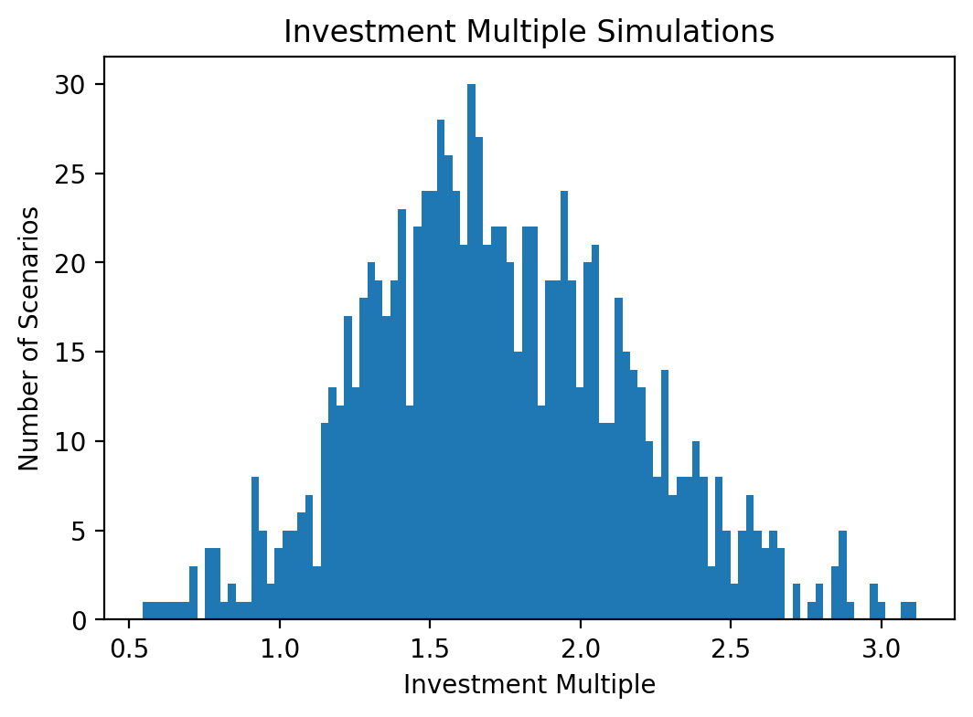
6 | 1.9040139638 | 0.069462504983
7 | 2.6256788451 | 0.10660441518
8 | 1.72709248 | 0.060014292598
9 | 1.7588703789 | 0.061702248454
10 | 1.2819231285 | 0.026715132594
11 | 1.4724765763 | 0.042207345366
12 | 1.5656250639 | 0.048591658473
13 | 1.6977223019 | 0.058227816224
14 | 1.7082156973 | 0.057839766145
15 | 1.3799780985 | 0.034976431727
16 | 1.6835014277 | 0.056914588809
17 | 2.2730824922 | 0.089928653836
18 | 1.0039982969 | 0.00043391883373
19 | 2.2171264897 | 0.088473239541
20 | 1.3890358593 | 0.035573115945
21 | 1.3982964678 | 0.036590787768
22 | 2.0297135362 | 0.077453437448
23 | 1.3813072688 | 0.034949067235
24 | 1.5962219807 | 0.050596407056
25 | 1.6165701971 | 0.052596756816
26 | 2.3931378507 | 0.096535927057
27 | 1.8878637385 | 0.069488915801
28 | 1.5116247755 | 0.044699057937
29 | 1.5191844817 | 0.045295581222
30 | 1.2966529677 | 0.027885982394
31 | 1.3372043344 | 0.031734117866
32 | 1.5765063265 | 0.049359050393
33 | 0.7191921182 | -0.035552738607
34 | 1.390833395 | 0.035595336556
35 | 1.333866592 | 0.031643918157
36 | 2.4586739089 | 0.098643285036
37 | 2.2591405431 | 0.089260336757
38 | 1.8377646923 | 0.066066470742
39 | 1.9409008051 | 0.072452387214
40 | 1.2273697714 | 0.021870419383
41 | 1.5074174924 | 0.045778653026
42 | 1.4562186719 | 0.042099234462
43 | 1.486869405 | 0.043201562762
44 | 1.9833938679 | 0.075701531768
45 | 2.5137077177 | 0.1021025002
46 | 2.5042808479 | 0.1014355123
47 | 1.8580857806 | 0.06769657433
48 | 2.1982143611 | 0.086223605275
49 | 1.4355199124 | 0.039528116584
50 | 1.9383404617 | 0.07246824801
51 | 1.6113625484 | 0.052306571603
52 | 1.5339499564 | 0.046606317163
53 | 1.6447298224 | 0.054103788733
54 | 1.1947511635 | 0.019035604596
55 | 1.00843084 | 0.00090983211994
56 | 1.6148582208 | 0.052678731084
57 | 1.1621524641 | 0.016071173549
58 | 2.2550166349 | 0.089788571
59 | 1.70019177 | 0.057658025622
60 | 1.6540452346 | 0.055292955041
61 | 2.2128849087 | 0.088465920091
62 | 2.6321457 | 0.10717484355
63 | 2.1659465595 | 0.085683551431
64 | 1.7227357549 | 0.059370008111
65 | 2.999110965 | 0.12290834785
66 | 1.1928538279 | 0.019058534503
67 | 1.9380045761 | 0.073283335567
68 | 1.7423120205 | 0.0603579849
69 | 1.9622745535 | 0.073972478509
70 | 1.3529454745 | 0.032843115926
71 | 1.9841352364 | 0.074952122569
72 | 1.7703346119 | 0.062607613206
73 | 1.4836141342 | 0.043109259009
74 | 1.8090384629 | 0.065235862136
75 | 2.1267819906 | 0.083136609197
76 | 2.0252830402 | 0.077817460895
77 | 1.8713662482 | 0.068438395858
78 | 1.2088118848 | 0.020435813069
79 | 1.8469345504 | 0.067079743743
80 | 1.7455316038 | 0.060901448131
81 | 1.4595506436 | 0.041328796744
82 | 2.1092646013 | 0.081648990512
83 | 2.5339858215 | 0.10271649957
84 | 1.5836231538 | 0.049572452903
85 | 1.4190261633 | 0.038077887893
86 | 2.0253068052 | 0.076703312993
87 | 1.9666557754 | 0.074128976464
88 | 1.465827968 | 0.041829267144
89 | 2.0229796445 | 0.076765659451
90 | 1.5935856671 | 0.051126155257
91 | 2.0937204148 | 0.081123831868
92 | 2.0510137668 | 0.079337379336
93 | 1.4230240919 | 0.03805282414
94 | 1.6667040353 | 0.05554061234
95 | 1.8099730596 | 0.064657875896
96 | 1.2969853808 | 0.027784928679
97 | 2.0154326967 | 0.077127364278
98 | 1.5195781197 | 0.04548073113
99 | 1.6032584102 | 0.051125279069
100 | 1.6566065323 | 0.054845574498
101 | 2.3958383805 | 0.096421772242
102 | 1.1833134786 | 0.018185827136
103 | 1.546644228 | 0.047516795993
104 | 1.6802533617 | 0.056364616752
105 | 1.342646554 | 0.032042577863
106 | 1.4320653495 | 0.038835307956
107 | 1.742642284 | 0.060472330451
108 | 1.332022047 | 0.0307146281
109 | 1.7920771822 | 0.063801327348
110 | 2.1550314277 | 0.083934649825
111 | 2.4099991407 | 0.096950572729
112 | 1.3061209349 | 0.02864805758
113 | 1.9960635008 | 0.076667717099
114 | 1.5580118561 | 0.047915944457
115 | 1.9770034405 | 0.075065109134
116 | 1.6332036169 | 0.05312705338
117 | 0.78362919513 | -0.026387760043
118 | 1.4039279507 | 0.036603197455
119 | 1.6476532725 | 0.05389252007
120 | 1.5891585516 | 0.050761851668
121 | 2.6570509407 | 0.10945963264
122 | 1.9009768311 | 0.071298930049
123 | 1.374775412 | 0.034435620904
124 | 2.2353504434 | 0.088245907426
125 | 1.4664498587 | 0.041841635108
126 | 1.8846108268 | 0.069818195701
127 | 0.58331312737 | -0.061208704114
128 | 1.6584580857 | 0.055609723926
129 | 1.6193404269 | 0.052244368196
130 | 2.1188405649 | 0.082639881968
131 | 2.5522219993 | 0.10367389321
132 | 1.2222136322 | 0.021481707692
133 | 1.8957702105 | 0.069945791364
134 | 1.7041867232 | 0.058597126603
135 | 1.628957669 | 0.053186431527
136 | 2.592661236 | 0.10606120229
137 | 1.9322464737 | 0.072042539716
138 | 1.7635929719 | 0.061783781648
139 | 2.0379849313 | 0.078138825297
140 | 2.3021940686 | 0.091749086976
141 | 1.7362520358 | 0.060608628392
142 | 2.1353356757 | 0.082877776027
143 | 1.4163834458 | 0.037694522738
144 | 1.9322521895 | 0.071891209483
145 | 1.5282154601 | 0.046317717433
146 | 2.2078346562 | 0.087261810899
147 | 1.7671184396 | 0.061873307824
148 | 2.2738434483 | 0.09063809216
149 | 0.91053075088 | -0.010210803151
150 | 2.4651216851 | 0.10007671714
151 | 1.9709349373 | 0.074225047231
152 | 2.2182411524 | 0.087280806899
153 | 1.3068357531 | 0.028738340735
154 | 2.1406421068 | 0.08329243958
155 | 2.0452373977 | 0.078793475032
156 | 0.90850539771 | -0.010364411771
157 | 1.4736174938 | 0.042502012849
158 | 1.5343828506 | 0.046801283956
159 | 1.8527525683 | 0.067402008176
160 | 0.92981712561 | -0.00779902637
161 | 2.4696292966 | 0.10028218627
162 | 2.3290309812 | 0.093005743623
163 | 0.99878669938 | -0.00013199150562
164 | 1.8816377877 | 0.069514861703
165 | 2.1441260883 | 0.084336850047
166 | 2.5265701528 | 0.10254161954
167 | 1.6340993764 | 0.053569075465
168 | 2.2852738065 | 0.091417559981
169 | 1.8202218754 | 0.066160425544
170 | 1.512459245 | 0.045344272256
171 | 1.8278791185 | 0.06516610086
172 | 1.6427780668 | 0.053868427873
173 | 1.1368020564 | 0.013903680444
174 | 1.0665962378 | 0.006954267621
175 | 2.1065553338 | 0.081604006886
176 | 1.3250132445 | 0.030512371659
177 | 2.0159812025 | 0.07720220983
178 | 1.4905301035 | 0.043198141456
179 | 1.3363398373 | 0.03111321032
180 | 1.4825449268 | 0.042605015635
181 | 1.7023723932 | 0.058022686839
182 | 1.677923531 | 0.056111928821
183 | 1.1674767649 | 0.016502258182
184 | 1.2246650192 | 0.022509565949
185 | 0.69270825129 | -0.040250460804
186 | 2.1757685216 | 0.08588386476
187 | 1.7597745294 | 0.062234708667
188 | 1.2352488968 | 0.022869828343
189 | 2.0470568319 | 0.079302719235
190 | 1.5599367812 | 0.04821896255
191 | 1.9158279055 | 0.072059169412
192 | 2.8741109145 | 0.1180137217
193 | 1.7343024405 | 0.060079339147
194 | 1.9302342047 | 0.073059698939
195 | 1.5298656919 | 0.046111372113
196 | 1.4031695429 | 0.036471274495
197 | 1.7565631974 | 0.061777940392
198 | 1.2825739462 | 0.026972845197
199 | 1.5792046367 | 0.04943523705
200 | 1.4425187105 | 0.039618089795
201 | 2.0732264689 | 0.080793967843
202 | 1.3559841538 | 0.033208659291
203 | 1.7881421852 | 0.063105109334
204 | 1.0450438889 | 0.0048492640257
205 | 2.0008710547 | 0.076452955604
206 | 2.2543717643 | 0.089514842629
207 | 1.3854009009 | 0.035483875871
208 | 1.6003966188 | 0.050866356492
209 | 1.27056248 | 0.025578036904
210 | 1.5785013285 | 0.049830207229
211 | 1.4001876937 | 0.036594942212
212 | 1.2757662278 | 0.026130452752
213 | 1.9362170857 | 0.072792300582
214 | 1.5814955115 | 0.050586798787
215 | 1.4507755641 | 0.041318294406
216 | 1.4859803907 | 0.043219169974
217 | 2.1193881028 | 0.08294762671
218 | 1.3117072182 | 0.029365846515
219 | 1.538139537 | 0.047546651959
220 | 1.550600673 | 0.047734972835
221 | 1.9113666567 | 0.070741650462
222 | 2.0901202834 | 0.080766156316
223 | 2.2323518623 | 0.088457217813
224 | 1.5201118592 | 0.045862480998
225 | 1.4466620899 | 0.03994512856
226 | 1.6621396778 | 0.056105020642
227 | 1.3136967983 | 0.029629340768
228 | 2.4383144893 | 0.09769116044
229 | 2.372036209 | 0.095450910926
230 | 1.1433686057 | 0.014650478959
231 | 2.0038455643 | 0.076526024938
232 | 1.759877589 | 0.061533102393
233 | 1.2985769292 | 0.028590688109
234 | 2.1495050807 | 0.084614220262
235 | 1.5772276612 | 0.049916699529
236 | 1.9988721865 | 0.075915190578
237 | 1.8975957611 | 0.070064488053
238 | 0.94894399917 | -0.0056369811296
239 | 1.2037005529 | 0.020126536489
240 | 1.247778233 | 0.023770520091
241 | 0.54553969995 | -0.065139754117
242 | 1.9693540776 | 0.074360856414
243 | 2.3088196048 | 0.092545339465
244 | 2.1159192988 | 0.082827565074
245 | 1.7472647886 | 0.061086848378
246 | 1.5656975355 | 0.04926930964
247 | 1.7692952298 | 0.06269813478
248 | 1.2270090517 | 0.022149279714
249 | 0.76233986899 | -0.028917905688
250 | 2.3328355647 | 0.092949822545
251 | 2.3330510947 | 0.09313634932
252 | 1.1690585028 | 0.017079868913
253 | 1.6491617498 | 0.054600664973
254 | 1.3483446404 | 0.032239636779
255 | 1.8871549004 | 0.069001927972
256 | 2.2401885442 | 0.089111527801
257 | 2.3936648374 | 0.09581373632
258 | 1.7476103419 | 0.06161685884
259 | 1.5710297562 | 0.049220696092
260 | 1.7518435132 | 0.061691936851
261 | 1.5276294099 | 0.046411195397
262 | 1.4963180583 | 0.043863633275
263 | 3.1151365646 | 0.12700514197
264 | 1.4692404825 | 0.041895100474
265 | 1.8629316904 | 0.068549105525
266 | 1.1619420906 | 0.016297331452
267 | 1.8321408261 | 0.065343692899
268 | 1.4933996833 | 0.043933042884
269 | 2.0746328247 | 0.080644640326
270 | 1.6121804413 | 0.052215406299
271 | 1.2906623696 | 0.027042660117
272 | 1.4315212225 | 0.039280602336
273 | 1.2864562794 | 0.027277258039
274 | 2.2857830304 | 0.09210446775
275 | 1.5383993258 | 0.046510770917
276 | 2.4790546111 | 0.10127838254
277 | 1.7875372465 | 0.063505193591
278 | 1.3598466007 | 0.033501806855
279 | 1.622359811 | 0.052698519826
280 | 0.77232862177 | -0.027424362302
281 | 1.0784203719 | 0.0081662207842
282 | 1.2893343521 | 0.02731629312
283 | 2.1454244305 | 0.083581748605
284 | 1.3018428215 | 0.028848800063
285 | 1.2111952326 | 0.020864054561
286 | 1.7687287868 | 0.062646397948
287 | 1.702497917 | 0.058665201068
288 | 2.3062405894 | 0.092105081677
289 | 2.0545204105 | 0.07950899303
290 | 1.2994778268 | 0.028547868133
291 | 2.0717106344 | 0.079534575343
292 | 2.6280739368 | 0.10780146718
293 | 1.2659023679 | 0.025899246335
294 | 1.7997070922 | 0.064073184133
295 | 1.8258093866 | 0.065990683436
296 | 1.8658788969 | 0.068327233195
297 | 1.5081486554 | 0.044629207253
298 | 2.0779173902 | 0.079687336087
299 | 1.9373285081 | 0.071694543958
300 | 1.9123728853 | 0.071661171317
301 | 1.2978987214 | 0.028312030435
302 | 1.4441189619 | 0.040153864026
303 | 2.1232087238 | 0.083206924796
304 | 2.1281673531 | 0.083687260747
305 | 2.0361406067 | 0.078504195809
306 | 2.1353553247 | 0.083218619227
307 | 1.8380880117 | 0.067016336322
308 | 1.4175468807 | 0.03758289516
309 | 2.2409642356 | 0.089273139834
310 | 1.557787261 | 0.048369702697
311 | 1.7553668889 | 0.062130579352
312 | 2.670344004 | 0.1086566031
313 | 1.6127977893 | 0.051832857728
314 | 1.9659853187 | 0.075072035193
315 | 1.7292481169 | 0.059760168195
316 | 1.5761172185 | 0.049651363492
317 | 2.1270667113 | 0.082485666871
318 | 1.9161231653 | 0.070784571767
319 | 1.1806989013 | 0.017837789655
320 | 0.66501533078 | -0.043650129437
321 | 1.5072823446 | 0.044146004319
322 | 1.9748849833 | 0.073817136884
323 | 1.76271834 | 0.061465796828
324 | 0.9823341495 | -0.0019315570593
325 | 1.4906880502 | 0.043347230554
326 | 1.8739678327 | 0.069257858396
327 | 1.6116833218 | 0.052217009664
328 | 1.5586996498 | 0.048227730393
329 | 0.71566030267 | -0.035962858796
330 | 1.6656589219 | 0.055320516229
331 | 1.7516482888 | 0.061251792312
332 | 1.5394801339 | 0.047151306272
333 | 1.6404864956 | 0.054509153962
334 | 2.1111296263 | 0.082894429564
335 | 1.4127656456 | 0.036699029803
336 | 2.6485945793 | 0.10813429952
337 | 1.8373274384 | 0.066186586022
338 | 1.9267798551 | 0.071278139949
339 | 1.7796728864 | 0.063140812516
340 | 1.333176024 | 0.030972006917
341 | 2.3761824966 | 0.095342370868
342 | 1.0416082957 | 0.0043519407511
343 | 1.6860459389 | 0.058167102933
344 | 1.401834415 | 0.036560317874
345 | 1.5520438578 | 0.048394700885
346 | 0.92070758247 | -0.0087294727564
347 | 1.1493906581 | 0.015075257421
348 | 1.914456905 | 0.071109578013
349 | 2.5579263077 | 0.10370710492
350 | 2.5685278381 | 0.10457096696
351 | 2.3181807955 | 0.091933706403
352 | 1.8596481815 | 0.067806729674
353 | 1.6030381898 | 0.051067772508
354 | 1.3395425332 | 0.031712958217
355 | 1.5838189189 | 0.050551661849
356 | 1.8466141003 | 0.066974171996
357 | 1.0684343605 | 0.0071103125811
358 | 1.6704623524 | 0.055913689733
359 | 1.2904264491 | 0.027531853318
360 | 1.617015658 | 0.053000429273
361 | 2.106665328 | 0.081777891517
362 | 1.8250177974 | 0.065849849582
363 | 0.94852195306 | -0.0055931478739
364 | 2.3171808672 | 0.092702230811
365 | 1.1064971379 | 0.010911205411
366 | 1.8328018071 | 0.066932591796
367 | 1.6587092001 | 0.055201080441
368 | 1.6456964607 | 0.054202052951
369 | 1.5169958336 | 0.045968791842
370 | 1.6683513977 | 0.055448791385
371 | 1.8454378105 | 0.067707613111
372 | 2.0547332787 | 0.079409620166
373 | 1.9082202957 | 0.07056761682
374 | 2.2665999765 | 0.090589687228
375 | 2.364480817 | 0.095335146785
376 | 1.8060435012 | 0.065750697255
377 | 1.2957559952 | 0.028255906701
378 | 2.1195992265 | 0.082497307658
379 | 2.0590109555 | 0.07871221602
380 | 1.5648260041 | 0.048421403766
381 | 2.1672050298 | 0.085696771741
...

